Instructions & Notes
 | For more information please contact your School Relationship Coordinator or TAFE Digital
 | (contact details are provided below for your convenience)
 | 2024 TVET COURSES TAB - INSTRUCTIONS FOR FILTERING INFORMATION:
 | Filter spreadsheet in COLUMN HEADINGS (row 8) to limit the data to that which is relevant to you
 | For example:
 | Step 1: Filter by TAFE NSW College/Campus Location (column B)
 | Step 2: Filter by Qualification Name (column F)
 | Review the details, note the Delivery Day and Delivery Time in columns M and N
 | Contact your School Relationship Coordinator if you need any clarification or assistance

 | TIPS: To add multiple criteria to the filter:
 | Type the 1st criteria in the Search box of selected column (e.g. Tamworth) and press OK.
 | Then type the 2nd criteria in selected column (e.g. Nirimba), tick "Add current selection to filter", then press OK.
 | The filter is now set to include both Tamworth and Nirimba campuses.
 | Use the filters in each column to further refine your search

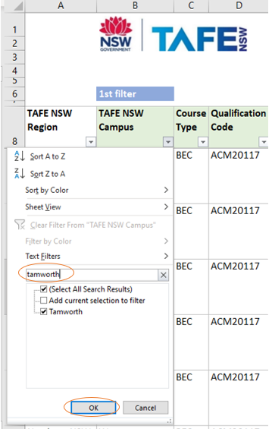
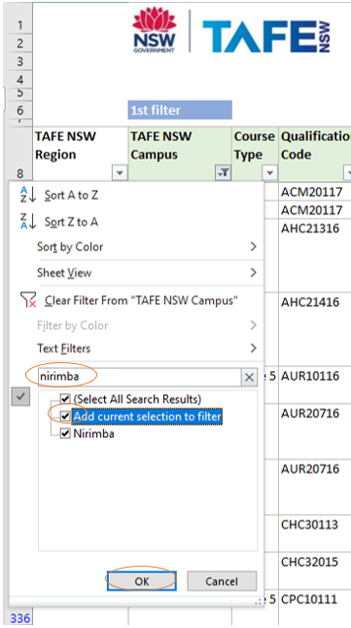

 | NOTES:
1/ | Column A: TAFE NSW Region - can be filtered by Region, TAFE Digital and/or TAFE Launchpad
2/ | Column B: TAFE NSW Campus - can be filtered by campus name, Statewide, Statewide + workshops and/or Online
3/ | Column C: Mode of Delivery - can be filtered to Blended, Block, Face to Face, Online, Virtual and /or Virtual + workshop
4/ | Column D: Course Type - indicates ICF, BEC and Stage 5 courses
 | * Industry Curriculum Framework (ICF) count as Board Developed unit credit for the HSC.
 | Frameworks include an HSC examination where a 240 hour delivery pattern is undertaken and provides the opportunity for
 | students to have this TVET Course contribute to the calculation of their ATAR.
 | * Board Endorsed Courses (BEC) count as Board Endorsed unit credit for the HSC but do not contribute towards an ATAR.
 | * Stage 5 are available for students in Years 9 and 10. Students receive recognition towards their school qualification
 | (Record of School Achievement), as well as a nationally recognised VET qualification.
5/ | Column E: Qualification Code - indicates the qualification code being delivered
6/ | Column F: Qualification Name - indicates the qualification being delivered
7/ | Column G: NESA Course Code - indicates the NESA course code being delivered (as per delivery pattern in Column J)
8/ | Column H: NESA Course Name - indicates the relevant NESA Syllabus for the qualification
9/ | Column I: FQ or SoA - indicates the possible outcome of undertaking the relevant course and delivery pattern. This reflects
 | a range of Units of Competence from the qualification identified which may contribute to completion of the full qualification
 | (FQ) or to a part qualification (SoA). Units of competence may also contribute to other Nationally Recognised Training.
10/ | Column J: NESA Delivery Pattern - indicates the contribution of this course option to the HSC pattern of study and reflects
 | the NESA course code in column H e.g. 2u x 2y is a course that provides 2 HSC units per year over 2 years.
11/ | Column K: ATAR Eligibility - indicates Yes if the course and delivery pattern can contribute to the ATAR where all
 | NESA requirements are met.
12/ | Column L: EVET Course ID - references the EVET course entry and will be populated as courses are added to EVET
13/ | Columns M & N: Delivery Day & Time - indicates anticipated delivery schedule for this course which will be confirmed
 | with the student EVET course offer
14/ | Column O: Access Course - Yes indicates this is a designated class for students with individual learning needs
15/ | Column P: Additional Information - indicates specific course information ie focus area
16/ | Column Q: Qualification Advice - indicates if the program is likely to be impacted by a qualification update during the
 | period of enrolment.

 | ADDITIONAL NOTES:
17/ | This spreadsheet is updated weekly (version date in cell F1), with any updates available to view each Monday by 4pm.
18/ | The units of competence that will be delivered as part of the course option will be outlined in the EVET course
 | information for each location and delivery pattern and should be provided to students by the school via PDF download
 | of the course information.
19/ | Information is correct at the time of publication and is subject to change.

 | TVET BROCHURES TAB:
 | Links to the 2024 TVET Guide, TAFE Launchpad information and individual course information pages can be sourced via this Tab

 | CONTACT DETAIL BY REGION
 | Northern NSW | TVET-North@tafensw.edu.au
 | Southern NSW | TVET-South@tafensw.edu.au
 | Sydney | TVET-Sydney@tafensw.edu.au
 | TAFE Digital | TVET-Digital@tafensw.edu.au
 | Western NSW | TVET-West@tafensw.edu.au
 | Western Sydney | TVET-WesternSydney@tafensw.edu.au

TVET Brochures
 | To view and print individual course area brochure, click the course area name below.


 | TVET GUIDE 2024 - COURSE AREA PAGES
 | Aboriginal Languages | Hospitality
 | Aeroskills | Human Services
 | Animal Studies | Information and Digital Technology
 | Applied Digital Technologies | Laboratory Skills
 | Auslan | Maritime Operations
 | Automotive | Music Industry
 | Aviation (Cabin Crew) | Plumbing Introduction
 | Aviation Remote Pilot | Primary Industries
 | Baking | Real Estate Practice and Property
 | Beauty Services | Retail
 | Business Services | Retail Services
 | Community Services | Salon Assisting
 | Construction | Screen and Media
 | Dance, Theatre and Events | Shearing and Wool Handling
 | Design Fundamentals | Signs and Graphics
 | Early Childhood Education and Care | Skills for Work and Vocational Pathways
 | Electrotechnology | Sports and Recreation
Click the image above to view the online | Engineering | Supply Chain Operations
TAFE NSW TVET Guide 2024. | Entertainment Industry | Tourism, Travel, and Events
 | Fashion Design | Visual Arts
View the TAFE NSW Schools Launchpad | Financial Services | Workplace Skills
Virtually delivered courses that launch your | Fitness | Frequently Asked Questions (FAQs)
students into an exciting future. | Floristry

